Company vs Tax Entity Types
How Company Legal Entity & Tax Election Structures Impact Incentive Planning
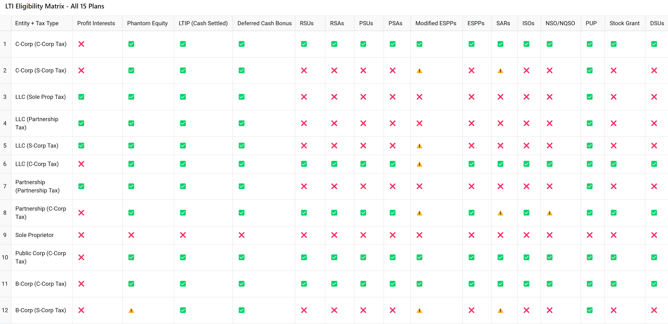
🏛️ Company Legal Entity Type | 🧾 Allowed IRS Tax Election Type | Notes
C-Corporation (C-Corp) | ✅ C-Corp (default) ✅ S-Corp (only if they meet IRS rules and file Form 2553) | 🧾 "C-Corp" is BOTH a legal structure and a tax default. If no IRS election is made, it’s taxed as a C-Corp. 1. Can be private or public company. 2. Has shareholders, a board of director. 3. Most flexible for both short- and long-term incentives. 4. For LTI Eligibility By Company Type + Tax Enitity- Refer to the "Color-Coded LTI Eligibility Chart" on the right* 5. Can go public, so equity awards have liquidity potential. 📌 Great for startups, high-growth companies, or any company planning an IPO or exit.
Limited Liability Company (LLC) | ✅ Sole Prop (if single-member, default) ✅ Partnership (if >1) ✅ S-Corp (if elected and IRS Form 2553 is filed) ✅ C-Corp (if elected via IRS Form 8832) | 🧠 LLCs are the most flexible for tax treatment. 1. Private company only 2. Owners are called "members" (not shareholders). 3. Cannot issue equity-based LTIs like RSUs or Options. 4. For LTI Eligibility By Company Type + Tax Enitity- Refer to the "Color-Coded LTI Eligibility Chart" on the right* 4. Flexible STIs: Cash bonuses, profit-sharing, MBO-based plans. 📌 Best suited for private companies, PE-backed firms, or family-owned businesses that want retention, not dilution.
Partnership (General or Limited Partnership) | ✅ Partnership (default for federal tax purposes) ✅ Can elect C-Corp status (rare) ❌ Cannot elect S-Corp status | 1. Private company only 2. Owned by 2 or more people (each partner shares in profits, losses, and liabilities). 3. Cannot issue equity-based LTIs like RSUs or Options. 4. For LTI Eligibility By Company Type + Tax Enitity- Refer to the "Color-Coded LTI Eligibility Chart" on the right* 4. STIs usually based on individual or firm performance. 📌 Common in law/accounting firms or investment partnerships with strong partnership payout models.
Sole Proprietorship | ✅ Sole Prop (disregarded Entity (default) | 🧠 Can form an LLC or C-Corp to elect other tax statuses. 1. Private company only (owned by one person) 2. No legal separation between owner and business. 3. Cannot issue equity or formal incentive plans. 4. Can pay discretionary bonuses, but typically no structured STI/LTI unless they incorporate. 📌 If growth is expected, recommend forming LLC or C-Corp to open incentive plan options.
Public Corporation | ✅ C-Corp only ❌ Cannot be taxed as S-Corp | 🧠 All public companies are C-Corps taxed as C-Corps. 🧠 S-Corps are not allowed to be public due to IRS ownership limits (max 100 U.S. shareholders, no public trading) 1. A C-Corp that has gone public on a stock exchange. 2. Has to file with the SEC, follow strict governance rules. 3. Must comply with SEC disclosure and governance (e.g., Proxy Pay Tables). 4. Eligible for all LTI plans except for "Profit Interests" 5. STIs often include formal AIPs tied to revenue, EBITDA, EPS, etc. 📌 Plans must be aligned with shareholder value and compliant with public company regulations. | 🧾 Why Company "X' (a C-Corp with an S-Corp tax election) is Not Eligible for Certain LTI Plans Company "X' is a C-Corporation that has elected S-Corp tax treatment. This means while we remain a corporation under state law, we are taxed like a pass-through entity by the IRS. However, the IRS imposes strict requirements on S-Corps — particularly the “one class of stock” rule and shareholder restrictions — which make many equity compensation vehicles ineligible. 1. Profit Interests ❌ ✅ Allowed only for LLCs taxed as partnerships. 🚫 Not available to any C-Corp, regardless of tax election. 📌 Why: Profit interests are a form of equity available to partnerships, not corporations. Company "X'’s corporate structure legally prevents this, even though we have an S-Corp tax status. 2. Restricted Stock Units (RSUs) ❌ 📌 Why: RSUs create rights to future stock, but under IRS rules, S-Corps must only have one class of stock. RSUs may be treated as a second class of stock, especially if they create different distribution rights. 3. Restricted Stock Awards (RSAs) ❌ 📌 Why: Like RSUs, RSAs could imply different economic rights or liquidation preferences — violating the "one class of stock" rule required to maintain S-Corp status. 4. Performance Share Units (PSUs) ❌ 📌 Why: PSUs award shares based on performance metrics. This introduces conditional ownership rights, which can be viewed as a second class of stock by the IRS. 5. Performance Share Awards (PSAs) ❌ 📌 Why: Same issue as PSUs — the contingent nature of these awards can be interpreted as differing rights, violating the one class of stock rule. 6. ESPP (Employee Stock Purchase Plan) ❌ 📌 Why: IRC §423 only permits qualified ESPPs for C-Corps, not S-Corps. Company "X'’s S-Corp election makes us legally ineligible for this IRS-sanctioned plan. 7. ISO (Incentive Stock Options) ❌ 📌 Why: ISOs are only allowed under IRC §422, which limits eligibility to C-Corps. S-Corps (like Company "X') cannot issue IS
Benefit Corporation (B-Corp) | ✅ C-Corp (most common) ✅ S-Corp (if IRS rules are met) | 🧠 “B-Corp” is a legal status for companies that pursue social good — it can be layered on top of a C-Corp or LLC. 1. Can be private or public company. 2. A C-Corp or LLC that includes a social/environmental mission in its charter. 3. Can be for-profit and even go public, but must show public good impact. 4. Can use same comp tools as C-Corp or LLC, depending on legal base entity. ---Ex: If C-Corp: Can offer equity LTIs like RSUs/ESPPs. Refer to the "Color-Coded LTI Eligibility Chart" on the right for more info* ---Ex: If LLC: Use phantom equity, profit interests. Refer to the "Color-Coded LTI Eligibility Chart" on the right for more info* 📌 Comp design may include mission-aligned KPIs (e.g., ESG goals, community impact) for STI or LTI metrics.

